Dimension_Property
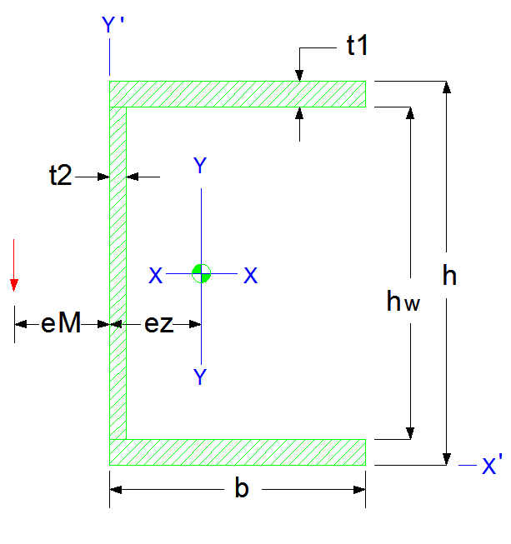
EMAD HYPER STRUCTURES CO. |  |  |  |  |  | [ X ] |  |  | [ Y ]
 |  |  | INPUT | ورودی |  | I_x = | 1.04619E+06 | (mm4) | I_y = | 1.39890E+05 | (mm4)
 |  |  | t1 = | 8.0 | (mm) | I_x = | 104.6 | (cm4) | I_y = | 14.0 | (cm4)
 |  |  | t2 = | 5.0 | (mm) | I_x = | 1.046E-06 | (m4) | I_y = | 1.399E-07 | (m4)
 |  |  | b = | 45.0 | (mm) | r_x = | 31.7 | (mm) | r_y = | 11.6 | (mm)
 |  |  | h = | 80.0 | (mm) | r_x = | 3.2 | (cm) | r_y = | 1.2 | (cm)
 |  |  |  |  |  | S_x = | 2.61547E+04 | (mm3) | S_x = | 4.88206E+03 | (mm3)
 |  |  | OUTPUT | خروجی هندسی |  | S_x = | 2.61547E+01 | (cm3) | S_x = | 4.88206E+00 | (cm3)
 |  |  | hw = | 64.0 | (mm) | [ X ' ] |  |  | [ Y ' ]
 |  |  | Section Area = | 1,040.0 | (mm2) | I_x' = | 7.98537E+09 | (mm4) | I_y' = | 1.56167E+05 | (mm4)
 |  |  | Section Area = | 10.4 | (cm2) | I_x' = | 7.98537E+05 | (cm4) | I_y' = | 1.56167E+01 | (cm4)
 |  |  | ez = | 16.3 | (mm) | r_x' = | 2,771.0 | (mm) | r_y' = | 12.3 | (mm)
 |  |  | ez = | 1.6 | (cm) | S_x' = | 9.98171E+07 | (mm3) | S_y' = | 3.47037E+03 | (mm3)
 |  |  | eM = | 17.57 | (mm) | S_x' = | 9.98171E+04 | (cm3) | S_y' = | 3.47037E+00 | (cm3)
 |  |  | G = | 8.11 | (kg/m) | X |  |  | Y
 |  |  | Flange Area = | 360.0 | (mm2) | I_Flange_x_1 | 1.92000E+03 | (mm4) | I_Flange_y_1 | 6.07500E+04 | (mm4)
 |  |  | Web Area = | 320.0 | (mm2) | I_Web_x | 1.09227E+05 | (mm4) | I_Web_y | 6.66667E+02 | (mm4)
 |  |  | I_x / I_y = | 7.5 |  | I_Web_x'_2 | 5.12000E+05 | (mm4) | I_Web_y_2 | 8.86154E+03 | (mm4)
 |  |  | I_x' / I_y' = | 51133.6 |  | I_Flange_x_2 | 4.66560E+05 | (mm4) | I_Web_y'_2 | 1.60000E+03 | (mm4)
 |  |  |  |  |  | I_Flange_x'_2 | 2.07936E+06 | (mm4) | I_Flange_y_2 | 4.43077E+03 | (mm4)
 |  |  |  |  |  | I_Flange_x'_3 | 5.76000E+03 | (mm4) | I_Flange_y'_2 | 1.62000E+04 | (mm4)
www.EHSCO.IR | Email: info@ehsco.ir | B.HOSSEINPOUR |  | Mobile: +98 914.118.7430 |  | Email: b_hosseinpour2003@yahoo.com

